Matplot&Seanborn
 |  | Matplot & Seaborn

Module | Command | Description | Element | Operation | Answer
matplotlib
matplotlib | plt.subplots | plt.subplots(nrows, ncols, layout="constrained")
 |  | np.random.seed(19680801) data = np.random.random((50, 50, 50)) fig, ax = plt.subplots() for i, img in enumerate(data): ax.clear() ax.imshow(img) ax.set_title(f"frame {i}") # Note that using time.sleep does *not* work here! plt.pause(0.1)
matplotlib | mcolors.BASE_COLORS | {'b': (0, 0, 1), 'g': (0, 0.5, 0), 'r': (1, 0, 0), 'c': (0, 0.75, 0.75), 'm': (0.75, 0, 0.75), 'y': (0.75, 0.75, 0), 'k': (0, 0, 0), 'w': (1, 1, 1)} | 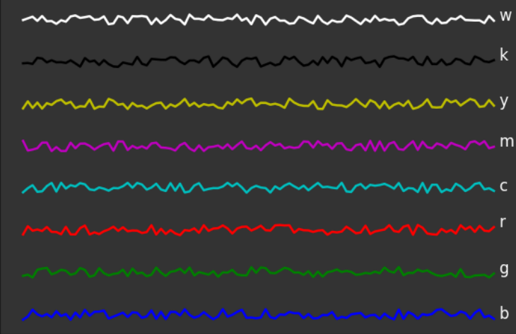
 |  | {'tab:blue':'C0', 'tab:orange':'C1', 'tab:green':'C2', 'tab:red':'C3', 'tab:purple':'C4', 'tab:brown':'C5', 'tab:pink':'C6', 'tab:gray':'C7', 'tab:olive':'C8', 'tab:cyan':'C9'} |  | 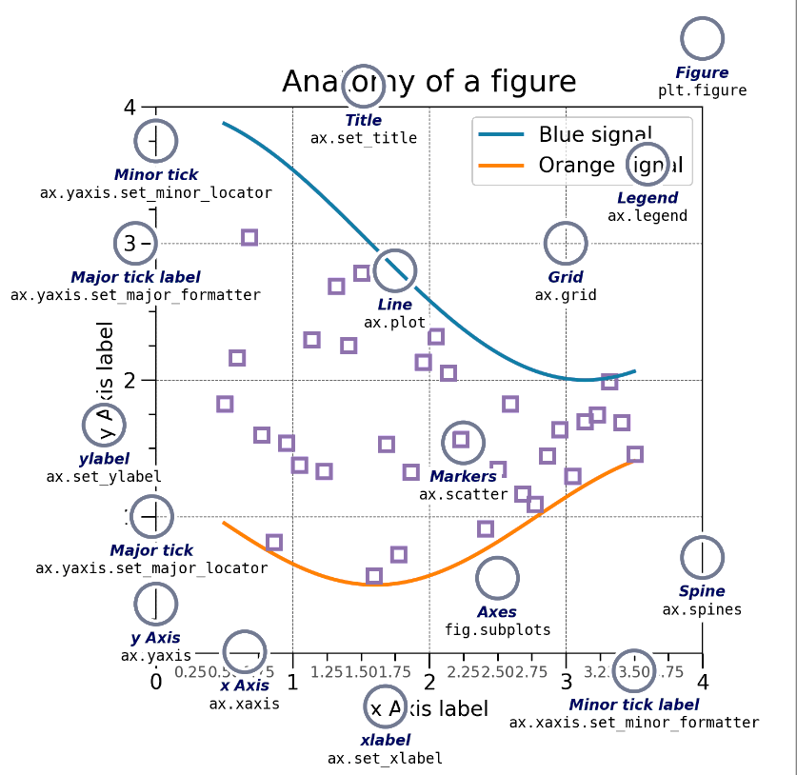
matplotlib | mcolors.TABLEAU_COLORS plt.rcParams["axes.prop_cycle"] | { 'tab:blue': '#1f77b4', 'tab:orange': '#ff7f0e', 'tab:green': '#2ca02c', 'tab:red': '#d62728', 'tab:purple': '#9467bd', 'tab:brown': '#8c564b', 'tab:pink': '#e377c2', 'tab:gray': '#7f7f7f', 'tab:olive': '#bcbd22', 'tab:cyan': '#17becf'} | 

SQL
 |  | SQL

Module | Command | Description | Element | Operation | Answer
Oracle_SQL
Oracle_SQL | SELECT | SELECT column_1, column_2, ... FROM table_name; | 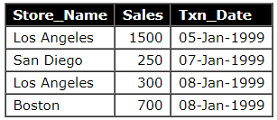 | " * " if select all the columns SELECT Store_Name FROM Store_Information; | Store_Name Los Angeles San Diego Los Angeles Bosto
Oracle_SQL | DISTINCT | SELECT DISINCT column_1, column_2, ... FROM table_name; |  | SELECT DISTINCT Store_Name FROM Store_Information; | Store_Name Los Angeles San Diego Boston
Oracle_SQL | WHERE | SELECT "Column1", "Column2", ... FROM table_name WHERE search_statement;
Oracle_SQL | IN | SELECT "Column1", "Column2", ... FROM table_name WHERE Column Name IN (statement1, statement2)
Oracle_SQL | BETWEEN | SELECT "Column1", "Column2", ... FROM table_name WHERE statement1 [AND/OR] statement2
Oracle_SQL | LIKE | SELECT "Column1", "Column2", ... FROM table_name WHERE search_statement LIKE pattern; % (percent) matches any string of zero or more character. _ (underscore) matches any single character. | columns = ['steiner','stanford','jennifer','jeni',jeri] | pattern= 1.'St%' 2.'%er' 3.'Je_i' | 1.'steiner','stanford' 2.'steiner','jennifer' 3.'jeni',jeri
Oracle_SQL | ORDER BY | SELECT "Column1", "Column2", ... FROM table_name ORDER BY "Column1" [ASC/DESC], "Column2" [ASC/DESC]; | ASC, DESC, (升冪,降冪)

Matplotlib CheatSheet
